Cover
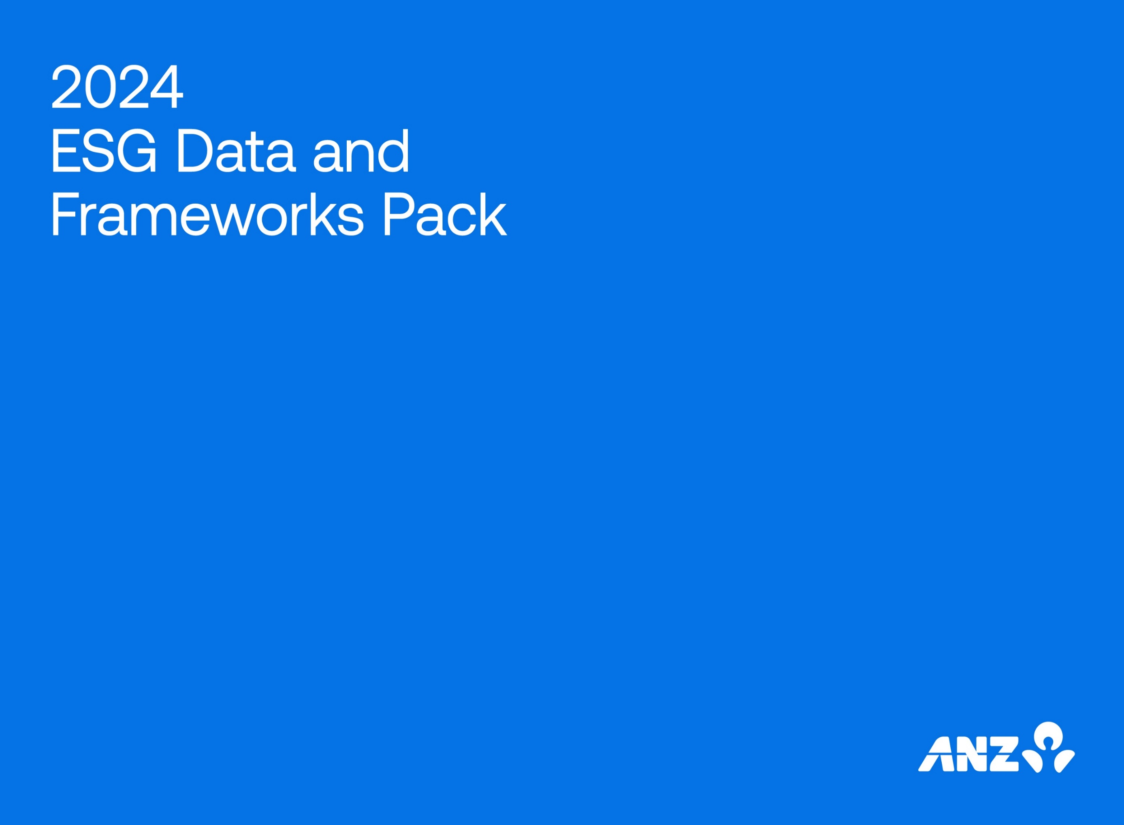

This data and frameworks pack summarises our progress on key ESG metrics for financial year 2024. It also incorporates our Global Reporting Initiative Standards content index, United Nations Principles of Responsible Banking self-assessment index, United Nations Guiding Principles Reporting Framework index and United Nations Sustainable Development Goals alignment table. It accompanies our 2024 ESG Supplement and forms part of our Annual Reporting suite.
The pack covers all ANZ Group Holdings Ltd (ANZ) operations worldwide over which, unless otherwise stated, we have control for the financial year commencing on 1 October 2023 and ending 30 September 2024. Monetary amounts are reported in Australian dollars, unless otherwise stated.
Where data is still maturing and may only be for a part of our operations, the data boundary will be noted. Monetary amounts in this document are reported in Australian dollars, unless otherwise stated.
On 31 July 2024, the Group acquired 100% of the shares in SBGH Limited, the immediate holding
company of Suncorp Bank. The ESG performance reported for the year ending 30 September 2024 does not include Suncorp Bank for the period since ownership, unless otherwise stated. Disclosures and data relating to Suncorp Bank will be included in our 2025 reporting.
KPMG has provided limited assurance over the contents of this data pack. A copy of KPMG’s independent limited assurance report is on the "KPMG" tab of this document.
This data and frameworks pack summarises our progress on key ESG metrics for financial year 2024. It also incorporates our Global Reporting Initiative Standards content index, United Nations Principles of Responsible Banking Self-Assessment index, United Nations Guiding Principles Reporting Framework index and United Nations Sustainable Development Goals alignment table. It accompanies our 2024 ESG Supplement and forms part of our Annual Reporting suite.
The pack covers all ANZ Group Holdings Limited (ANZ) operations worldwide over which, unless otherwise stated, we have control for the financial year commencing on 1 October 2023 and ending 30 September 2024.
Where data is still maturing and may only be for a part of our operations, the data boundary will be noted. Monetary amounts in this document are reported in Australian dollars, unless otherwise stated.
On 31 July 2024, the Group acquired 100% of the shares in SBGH Limited, the immediate holding
company of Suncorp Bank. The ESG performance reported for the year ending 30 September 2024 does not include Suncorp Bank for the period since ownership, unless otherwise stated. Disclosures and data relating to Suncorp Bank will be included in our 2025 reporting.
KPMG has provided limited assurance over the contents of this data pack.

