Cover
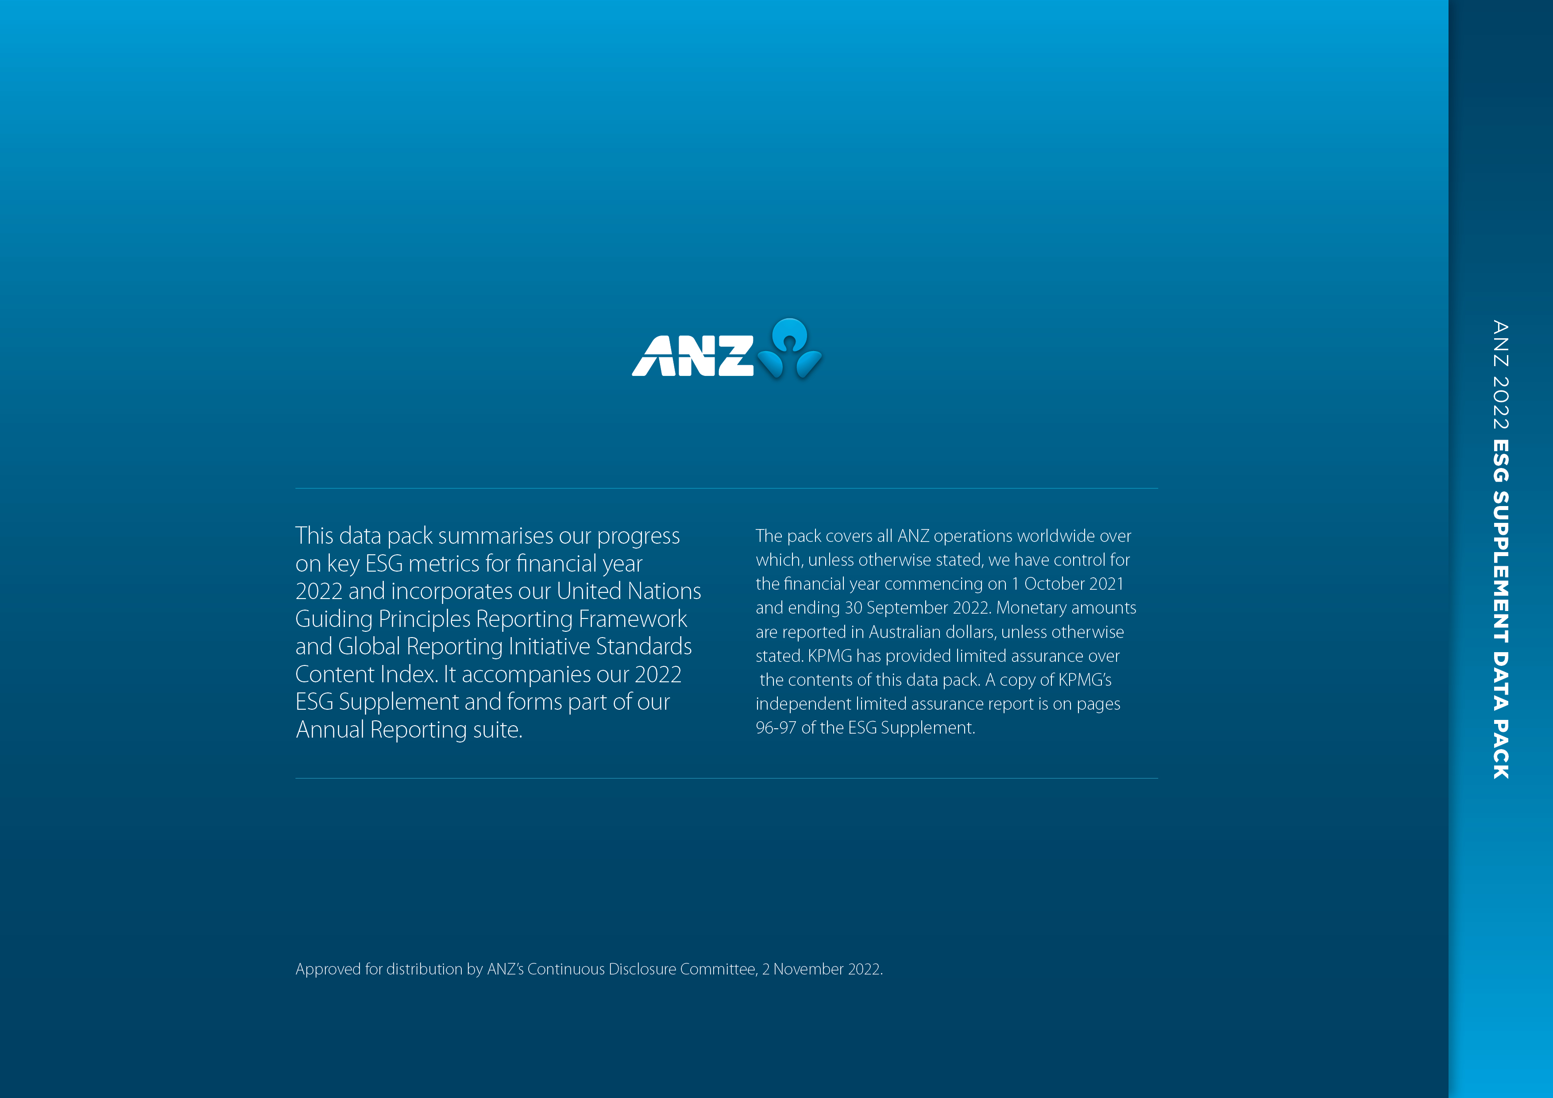

Environment
ESG Supplement 2022 | DATA PACK

Environment

ENVIRONMENTAL FOOTPRINT1

GHG emissions Scope 1 & 2 (tonnes CO2-e) | 2022 | 2021 | 2020 | 2019 | 2018
Australia | 79,787 | 88,808 | 101,210 | 115,688 | 123,056
New Zealand | 4,429 | 5,205 | 5,526 | 6,846 | 7,887
Asia Pacific, Europe and America | 17,664 | 17,395 | 27,357 | 34,034 | 40,069
TOTAL2 | 101,879 | 111,409 | 134,093 | 156,568 | 171,012
1. Environmental reporting year runs 1 July - 30 June to align to environmental regulatory reporting requirements. 2. Values may not add to totals due to rounding.

Global GHG emissions Scope 1, 2 & 3 (tonnes CO2-e) | 2022 | 2021 | 2020 | 2019 | 2018
Scope 1
Premises energy | 2,229 | 1,931 | 1,811 | 3,091 | 3,534
Vehicle transport | 3,566 | 4,476 | 9,832 | 13,018 | 14,294
Other3 | 24 | 17 | 119 | 140 | 142
Scope 2
Premises energy | 96,060 | 104,984 | 122,331 | 140,319 | 153,042
Scope 34
Premises energy | 13,143 | 16,843 | 23,330 | 28,367 | 32,235
Vehicle transport | 600 | 668 | 1,606 | 2,069 | 2,178
Travel - flights & accomodation | 4,114 | 1,984 | 22,109 | 38,927 | 35,324
Employee commuting5 | 5,348 | 5,438 | 15,546 | 19,400 | 20,504
Paper 6 | 2,315 | 2,826 | 5,013 | 2,720 | 2,861
Waste 6 | 1,135 | 1,564 | 1,770 | 2,511 | 2,463
Water6, 7 | 306 | 186 | 233 | 297 | 329
Work From Home8 | 11,673 | 12,780 | N/A | N/A | N/A
TOTAL | 140,514 | 153,697 | 203,700 | 250,857 | 266,906

Global GHG emissions Scope 1, 2 & 3 (tonnes CO2-e) - Market-Based | 2022 | 2021 | 2020 10
Scope 1 | 5,819 | 6,424 | 11,762
Scope 2 | 48,531 | 59,004 | 83,324
Scope 3 | 30,756 | 32,653 | 59,578
TOTAL Market-Based | 85,106 | 98,082 | 154,664
Carbon offsets retired9 | 85,106 | 98,082 | 154,664
Net GHG emissions | 0 | 0 | 0
3. Indicates estimated emissions arising from the operation of a black water treatment plant at ANZ’s Global Headquarters in Melbourne, Australia. 4. We do not currently disclose absolute Scope 3 emissions from our lending (‘financed emissions’). We have previously disclosed two separate emissions intensity metrics that cover our power generation loan book and our Australian large commercial building portfolio, and plan to increase this in our 2022 Climate-related Financial Disclosures, which will be released prior to our Annual General Meeting and made available on anz.com/annualreport. 5. Represents employee commuting emissions from staff working in key commercial office locations in Australia and New Zealand. This was calculated and externally assured for the first time in 2015. 6. Comparisons with previous year's figures must be viewed with caution due to different methodology. 7. From 2021 includes global water emissions values, 2018 – 2020 values include Australia only. 8. Emissions associated with increased home energy use from heating/cooling, lighting, equipment electricity and fuel use as a result of the shift of Australian staff from working out of offices, to working from home. This was calculated and externally assured for the first time in 2021. 9. Carbon offsets for ANZ's global business operations have been retired in accordance with The Climate Active Carbon Neutral Standard and externally assured. 10. ANZ has retired carbon offsets for it's business operations since 2010. 2020 was the first year ANZ adopted the market-based reporting method to account for purposefully purchased renewable energy attributes.

Premises energy use consumed (MWh) | 2022 | 2021 | 2020 | 2019 | 2018
Electricity | 141,786 | 151,726 | 171,030 | 191,945 | 212,299
Natural gas | 9,725 | 7,038 | 7,246 | 14,843 | 17,159
Diesel | 1,705 | 2,482 | 2,064 | 2,819 | 3,097
LPG | 6 | 5 | - | - | -
TOTAL | 153,221 | 161,252 | 180,340 | 209,607 | 232,555

Renewable energy consumption (MWh) | 2022 | 2021 | 2020 | 2019 | 2018
On-site solar | 670 | 255 | 272 | 221 | -
Power Purchase Agreement11 | 40,000 | 38,975 | 30,023 | - | -
Large Scale Renewable Energy Target12 | 14,685 | 16,143 | - | - | -
TOTAL | 55,355 | 55,373 | 30,295 | 221 | -
11. Power Purchase Agreement (PPA) refers to our renewable electricity offtake from the Murra Warra Wind Farm, located near Horsham in north-east Victoria. 12. Large Scale Renewable Energy Target Large Scale Generation Certificates (LRET LGCs) surrendered for large market sites in accordance with updated RE100 requirements. This was disclosed and externally assured for the first time in 2021.

Road transport energy use (MWh) | 2022 | 2021 | 2020 | 2019 | 2018
Vehicle fuel | 14,115 | 17,739 | 37,904 | 51,089 | 56,309

Paper use (tonnes)13 | 2022 | 2021 | 2020 | 2019 | 2018
Office paper | 298 | 387 | 420 | 502 | 634
Customer paper | 1,215 | 1,405 | 1,640 | 2,140 | 2,188
TOTAL | 1,512 | 1,792 | 2,060 | 2,642 | 2,823
13. From 2021 includes global paper consumption values, 2018 – 2020 values include Australia and New Zealand only.

Waste | 2022 | 2021 | 2020 | 2019 | 2018
Waste to landfill (tonnes)14 | 710 | 978 | 663 | 928 | 924
Recycling rate (%)15 | 82 | 74 | 64 | 68 | 66
14. From 2021 includes global waste consumption values, 2018 – 2020 values include Australia and New Zealand only. In 2017-18 ANZ revised the 2016-17 waste baseline for AU target sites. This has been used to extrapolate and restate 2016-17 figures and the new 2017-18 figures. Comparisons with previous year's figures must be viewed with caution due to different methodology. 15. Represents the recycling rates in our Australian commercial offices (>20,000m2). This was calculated and externally assured for the first time in 2018.

Water (kL)16 | 2022 | 2021 | 2020 | 2019 | 2018
Water consumption | 247,381 | 234,707 | 101,699 | 121,168 | 128,270
16. From 2021 includes global water consumption values, 2018 – 2020 values represent water consumption in our Australian commercial offices (>10,000m2) excluding 347 Kent Street which was sold in the 2020 reporting year.

PROJECT FINANCE - POWER GENERATION

Project finance portfolio (%) | 2022 | 2021 | 2020 17 | 2019 | 2018 17
Renewables | 90 | 88 | 87 | 83 | 76
Coal | 2 | 3 | 5 | 9 | 13
Gas | 8 | 9 | 7 | 8 | 10
17. Values do not add to 100 due to rounding.

Project finance commitment to renewable energy ($m)18 | 2022 | 2021 | 2020 | 2019 | 2018
Renewables | 1,505 | 1,425 | 1,501 | 1,371 | 1,076
18. Refers to ANZ’s lending commitments as at 30 September 2022 to renewable energy projects made only on a non or limited recourse basis to the ultimate sponsors. This figure does not include ANZ lending made to renewable energy projects that may be funded under corporate debt facilities or through other lending products.

